1. Title Page
Instacart Data Analysis

Project Name: Instacart Data Analysis
Date: 21/12/2024
Analyst Name: Terence Banda Shumaya

Contents:
Population Flow
Consistency checks
Wrangling steps
Column derivations
Visualizations
Recommendations

Data Source
“The Instacart Online Grocery Shopping Dataset 2017”, accessed from www.instacart.com/datasets/grocery-shopping-2017 via Kaggle on 12/11/2024.
The customer data explored, as well as the “prices” column in the products data set, were both fabricated for the purpose of this course

2. Population Flow
Title page

Population flow

Exclusion flag
Condition: max_order < 5
Obervations to be removed: 1444295
Final total count of order_products_all: 30964564

Orders_products_merged
Orders_products_merged
Orders_products_customers

Total: 32404859
Total: 32434489
Total: 32404859

1.) The grey boxes in the first row of the population flow represent the original data sets as they were when you downloaded them. In the Total fields you need to add the count of the rows when you imported the data set into Jupyter.
2.) The second row of boxes (coloured) represents the data sets after you manipulated them, e.g., removed missing values and duplicates. In the Total fields you need to add the count of the rows after conducting these operations. This offers a visual oveview of how the data flows throughout the data consistency checks.
3.) The third row, where also the arrows are coloured, represents the merges you performed between the datasets. In the Total fields you need to add the count of the rows in the merged datasets, so that you end up with the final dataset (in the red box). Keep in mind the final dataset should be without exclusions (based on the exclusion flag).

3. Consistency checks
 |  |  |  | Title page
Consistency checks

Dataset | Missing values | Missing values treatment | Duplicates
orders | Column: days_since_prior_order (206209) | considered customers' first order | No duplicates found
products | 16 missing under 'product_name' | rows deleted | 5 duplicates deleted
orders_products_prior | No missing values | No treatment | No duplicates
customers | 11259 missing under 'first_name' | No treatment | No duplicates

4. Wrangling steps
 |  |  |  |  | Title page
Wrangling steps

Data set | Columns dropped | Columns renamed | Columns' type changed | Comment/Reason
Orders | eval_set |  |  | Column not relevant for analysis
 |  | order_number to number_of_order |  | making it more understandable
 |  | order_dow to orders_day_of_week |  | dow' makes it difficult to interpret column
 |  |  | order_id changed to string | Consistency and data integrity
 |  |  | user_id changed to string | consistency and data integrity
Department |  | index column 'Unnamed: 0' to 'department_id' |  | to facilitate a merge since values match with those of imported main dataframe PK
 |  |  | user_id changed to string | for consistency and data integrity
Customer |  | FIRST_NAME to 'first_name'
 |  | surnam to 'last_name'
 |  | STATE to 'state' |  | for consistency
 |  | Age to 'age'
 |  | fam_status to 'family_status'
 |  | Gender to 'gender'
 |  | n_dependents to 'number_of_dependents' |  | making column more understandable
Merged dataframe | -merge' |  |  | Not necessary

5. Column derivations
 |  |  |  |  | Title page

Column derivations and aggregations

Dataset | New column | Column/s it was derived from | Conditions
ords_prods_merge | price_range | prices | if prices <= 5 then 'Low range product' if prices >5 and <= 15 = 'mid range product' if prices > 15 then 'High range product' else 'nan'
ords_prods_merge | busiest_day | orders_day_of_week | if value == 0 = 'Busiest day' if value == 4 = 'Least busy day' else 'Regularly busy day'
ords_prods_merge | busiest_days | orders_day_of_week | if value == 0 or == 1 then 'Busiest days' if value == 3 or == 4 then 'Slowest days' else 'Regularly busy'
ords_prods_merge | busiest_period_of_day | order_hour_of_day | if value == 9am to 4pm then 'Most orders' if value == 17, 8, 19, 20, 7, 21, 22 then 'Average orders' else 'Fewest orders'
ords_prods_merge | max_order | user_id', 'number_of_order' | max frequency of orders grouped by customer 'user_id'
ords_prods_merge | loyalty_flag | max_order | if value > 40 = 'loyal customer' if value <= 40 & > 10 = 'Regular customer' if value < 10 then 'New customer'
ords_prods_merge | average_spend | user_id' & 'prices' | average price spent by customer grouped by 'user_id'
ords_prods_merge | spender_flag | average_spend | if value > 10 = 'Low spender' if value >= 10 = 'High customer'
ords_prods_merge | customer_frequency | days_since_prior_order | if value > 20 = 'Non frequent customer' if value > 10 & <= 20 = 'Regular customer' if value <= 10 then 'frequent customer'
orders_products_customers_merged | region | state | States categorized in regions according to wikipedia Article.
orders_products_customers_merged | age_group | age | if value <=20 = 'Young' if value > 20 & <= 30 = 'Young Adult' if value > 30 & <= 50 = 'Adult' if value > 50 & <=65 = 'Older Adult' if value > 65 = 'Senior'
orders_products_customers_merged | activity_flag | max_order | if value < 5 = 'Less active customer' if value >= 5 = 'active customer'
orders_products_customers_merged | income_group | income | if value <= 100000 = 'Low income' if value > 100000 & <= 200000 then 'Middle income' if value > 200000 = 'High income'
orders_products_customers_merged | dependants_flag | number_of_dependents | if value == 0 = 'No dependents' if value > 0 = 'Dependents'

price_range |  |  | age_group
High range product | 412551 |  | Adult | 10162866
Low range product | 10126321 |  | Senior | 8088101
NaN | 21865987 |  | Older Adult | 7554533
Name: count, dtype: int64 |  |  | Young Adult | 5076431
 |  |  | Young | 1522928
busiest_day |  |  | Name: count, dtype: int64
Regularly busy day | 22416875
Busiest day | 6204182 |  | income_group
Least busy day | 3783802 |  | Low income | 17590657
Name: count, dtype: int64 |  |  | Middle income | 14555759
 |  |  | High income | 258443
busiest_days |  |  | Name: count, dtype: int64
Regularly busy | 12916111
Busiest days | 11864412 |  | dependents_flag
Slowest days | 7624336 |  | Dependents | 24307356
Name: count, dtype: int64 |  |  | No dependents | 8097503
 |  |  | Name: count, dtype: int64
loyalty_flag
Regular customer | 15876776 |  | region
loyal customer | 10284093 |  | South | 10791885
New customer | 6243990 |  | West | 8292913
Name: count, dtype: int64 |  |  | Midwest | 7597325
 |  |  | Northeast | 5722736
spender_flag |  |  | Name: count, dtype: int64
Low spender | 32285150
High spender | 119328 |  | frequency_flag
NaN | 381 |  | Frequent customer | 21559853
Name: count, dtype: int64 |  |  | Regular customer | 7208564
 |  |  | Non frequent customer | 3636437
 |  |  | NaN | 5
 |  |  | Name: count, dtype: int64

6.Visualisations
Visualisations

1. The sales team needs to know what the busiest days of the week and hours of the day are (ie, the days and times with the most orders) in order to schedule ads at times when there fewer orders


Number of orders by days of the week

Distribution of orders by hour of the day

 | order day of the week legend
 | # | Day
 | 0 | Saturday
 | 1 | Sunday
 | 2 | Monday
 | 3 | Tuesday
 | 4 | Wednesday
 | 5 | Thursday
 | 6 | Friday

 | order hours of the day: 24hrs

The busiest weekdays are Saturday and Sunday between the hours of 9 and 1600 Hrs. The least busy days are Tuesdays and Wednesdays

2. The sales team wants to know whether there are particular times of the day when people spend the most money, as this might inform them the type of products they advertise at these times

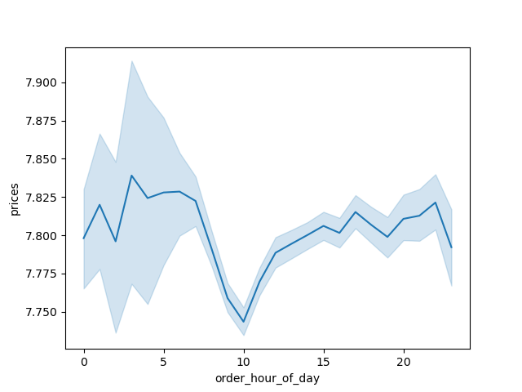
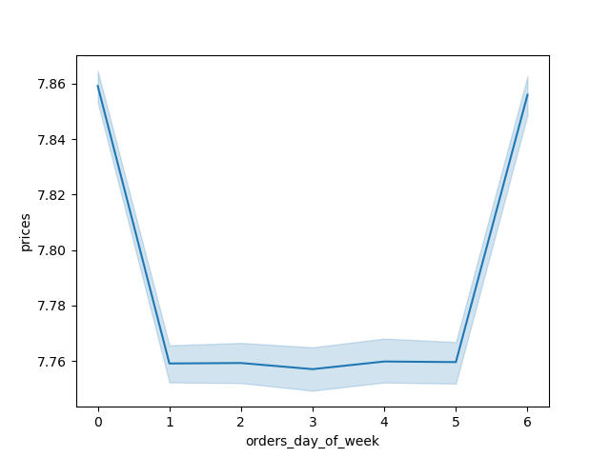

On average, people spend the most money between the hours of 900 and 1600 hrs with 900 hrs topping the list as the hour customers spend the most money on average as illustrated in the frequency-histogram chart above.

3. Are there certain types of products that are more popular than others? The marketing and sales teams want to know which departments have the highest frequency of product orders

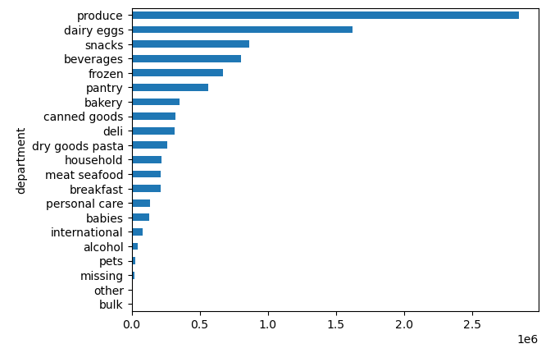
As seen on the chart, the most popularly ordered products come from the produce department, with dairy eggs and snacks departments coming in at distant 2nd and 3rd positions respectively.

4. What is the distribution among users in regard to their brand loyalty(i.e., how often do they return to instacart)?

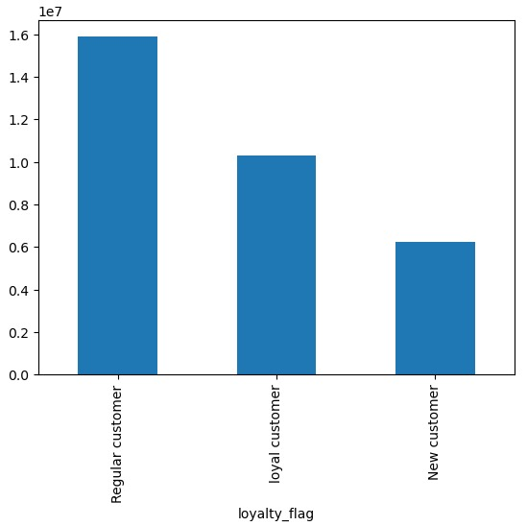
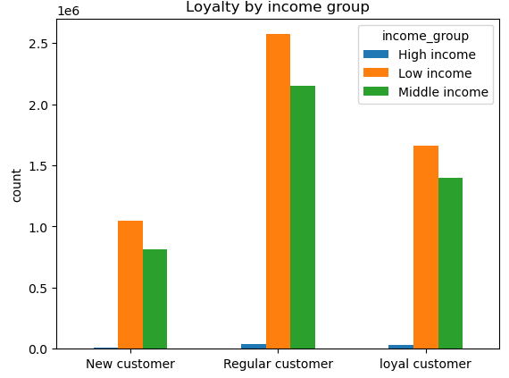
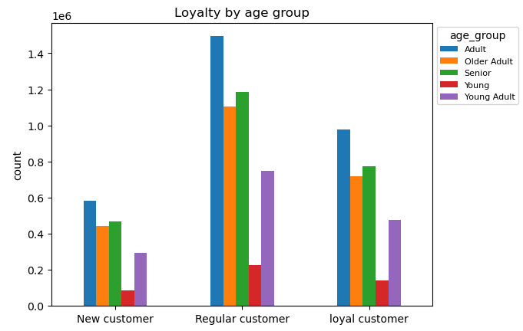

Regular customers buy more and bring in the most revenue. This group should be encouraged via promo incentives - likewise loyal customers

5. Are there differences in ordering habits based on a customer's loyalty status?
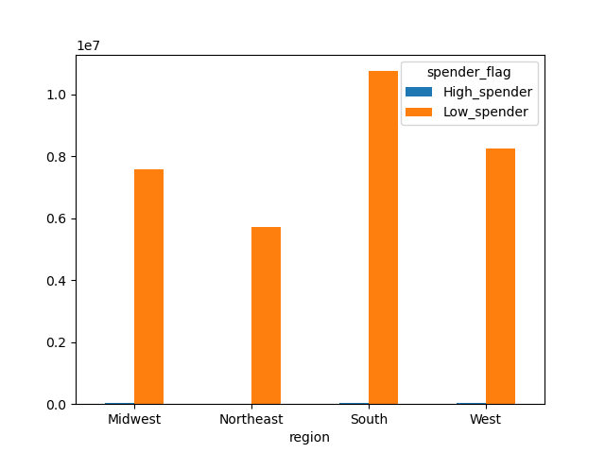

Most customers ordering are the low spenders

6. Are there any differences in ordering habits based on a customer's region?

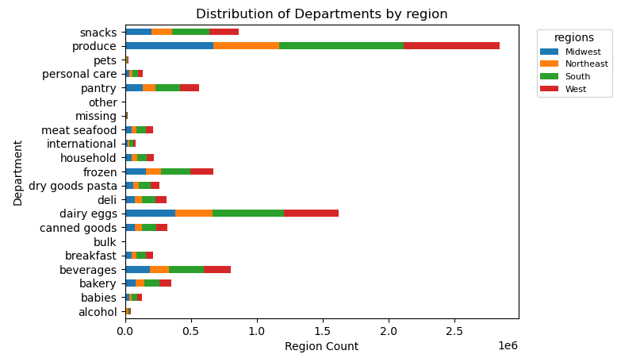

The South and West regions have the highest product sales in terms of departments
6

7. Is there any connection between age and family status in terms of ordering habits?

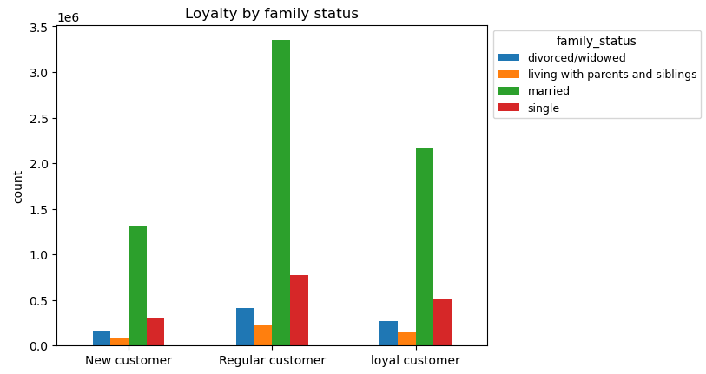

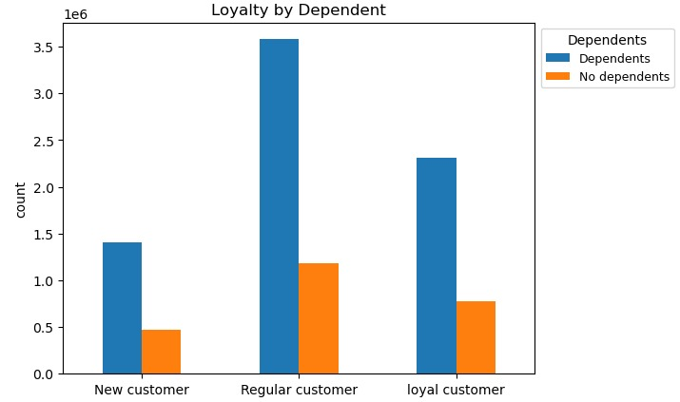
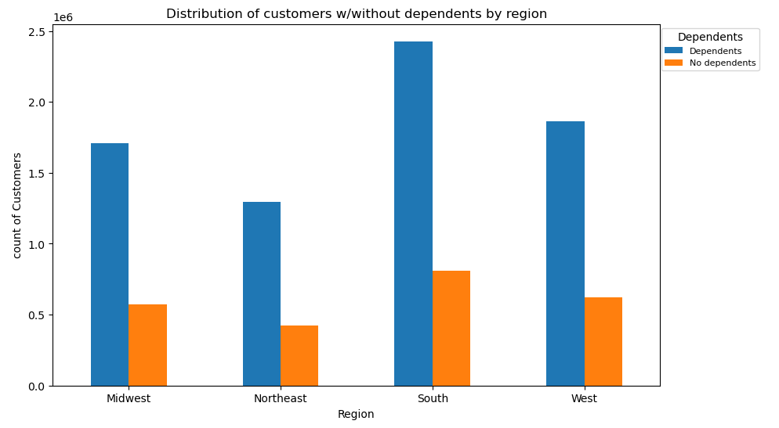

Most customers are Adults, married and have dependents

What different classifications does the demographic information suggest? Age? Income? Certain types of goods? Family Status?
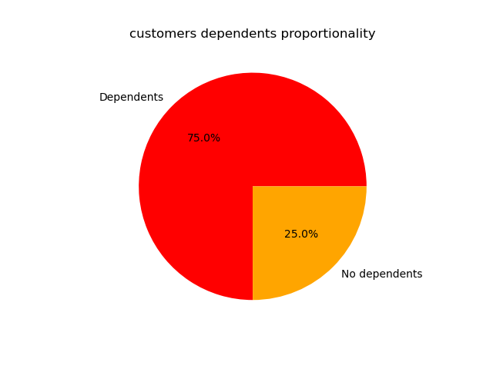

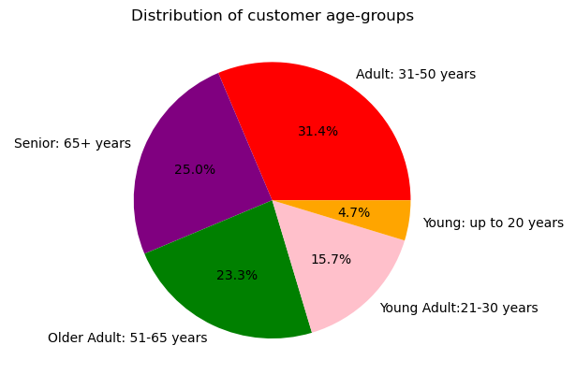
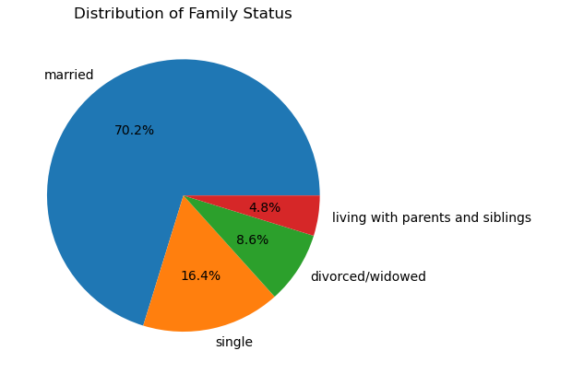


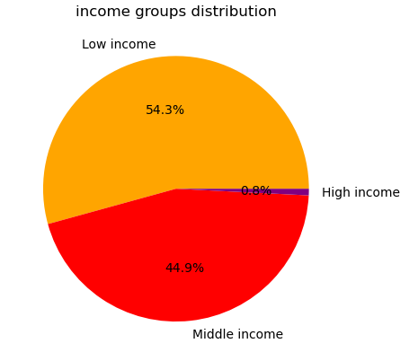

Most customers are between the ages of 31 to 51 followed by seniors of 65 years and above. They are mostly married and have dependents. The data also shows these demographics are of middle income and purchase mostly goods from the produce department

7. Recommendations
Recommendations

Question | Answer | Recommendations
What are the busiest week days and the busiest hour(s) of the day | Saturdays and Sundays are the busiest days of the week, meanwhile Tuesdays and Wednesdays are the least. Most orders are placed between 900hrs and 1600hrs. | The middle of the week seems less busy according to the data and Instacart should implement a marketing strategy for example by offering discounts on week days not only with less popular products but products that will attract the wider clientel
At what particular times of day do people spend the most money? | Sales are higher during the hours of 900hr to 1600hrs, but particularly 900hrs, people spend the most money | To have and even distribution in terms of sales during the hours of the day, I would recommend targeted advertising with incentives like promocodes to customers valid within the hours with the weakest orders
What is the distribution among users based on their brand loyalty | Regular customers are the most loyal customers in terms of orders, either by age group or income group. | While regular customers contribute more by far in terms of generating revenue, loyal customers aren't doing badly so the target should be the 'new customers' and how to convert them to either of those first two groups. New customers always want good products at reduced rates. This is the way to target and convert them.
Are there certain products that are more popular than others? | Products from the Produce, Dairy/eggs and snacks departments are the most popular | Though it isn't possible to force customers buy what they don't like or need, special offers may convince customers try new products. That being said, products that are most popular should be produced on a higher volume driving production cost down and subsequently retail prices but making sure to maintain product quality and of course with targeted ads
Are there differences in ordering habits based on loyalty status? | Low spenders buy far more than high spenders | Though high spenders give out more money per product order, they also will appreciate lower prices for the same quality of products they usually buy. This will drive up sales among the high spenders
What is the distribution among users as to how often they return to Instacart? | Most customers are adults, married, and have dependents. They also fall within the middle income bracket | Single customers with no family or dependents could be offered discounts if they make referrals to friends and family relations. Meanwhile customers who are married with dependents should be continuosly encouraged with group discount deals
Is there a connection between age and family status and ordering habits? | Married customers and those with dependents tend to order more and make up most of the regular customer base | These groups of customers should be targeted with group deals say coupons for orders placed
Are there differences in ordering habits based on region? | Customers in the South and the West place the highest orders of produce, snacks and dariy/eggs. | Increase advertising and promotions in regions with less customers like midwest and Northeast
What different classifications does the demographic information suggest? Age? Income? Certain types of goods? Family status?? | Most customers are adult or middle-aged, married, and have dependents. | Make discounts with the most common house products like breakfast items and children's preferred snacks. Also target High end customers with regular offers.

